NPR Diesel 16MY~ (Roundup)
Isuzu 2016 Model Year NPR Diesel Completed Vehicle Frontal Area Calculation
 | The Isuzu NPR Diesel was certified for EPA Emissions Compliance by testing a Completed Vehicle.
 | The maximum frontal area of your Completed Vehicle must not exceed the certified size which was tested.
 | The Completed Vehicle Manufacturer is responsible for meeting Frontal Area requirements, (similar to responsibilities of Vertical CG, Weight Distribution, etc.)
 | The maximum curb weight of your Completed Vehicle must not exceed 12,051 lbs.

 | The frontal area is calculated in two parts:
 |  | 1) Body Area (Outside Height x Outside Width)
 |  | 2) Cab/Chassis Non-Overlap Area (Based on Body Width and Mounting Height.) Use Table 1 for manual frontal area calculation; or fill out Table 3 to automatically populate Calculators #1 - #2.

Completed Vehicle Frontal Area (ft²) less than or equal to IVD max
=
=
Body Outside Height
x Body Outside Width
H (in) x W (in) / 144
W =Body Outside Width
H =Body Outside Height
+
+
Non-Overlap Area
from Table 1, (ft²)
M =Mount Height
 | 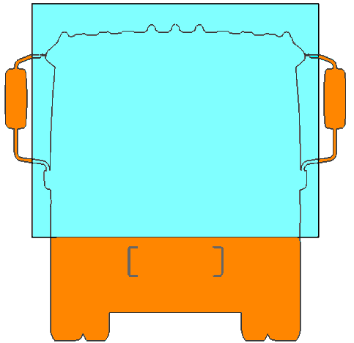 |  |  |  |  | 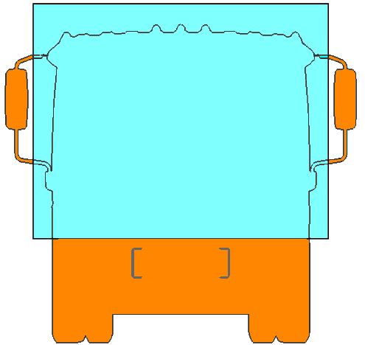 |  |  |  |  | 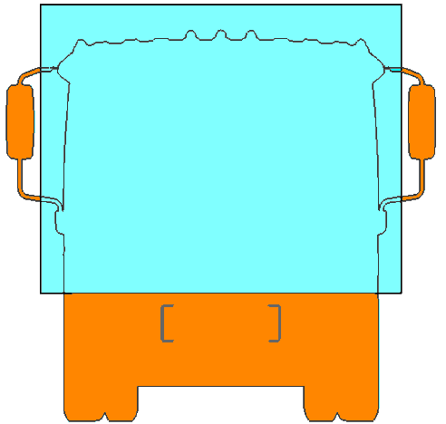

M =Mount Height

 | TABLE 1
 | Cab/Chassis Non-Overlap Area, ft2
 | W Body Width | M, Body Mounting Height (Between the bottom of Body and the Top of Frame Rail, in inches)
 |  | 2 | 2.5 | 3 | 3.5 | 4 | 4.25 | 4.5 | 5 | 5.5 | 6 | 6.5 | 7 | 7.5 | 8
 | 84" | 16.7 | 17.0 | 17.3 | 17.6 | 17.8 | 18.0 | 18.2 | 18.4 | 18.7 | 19.0 | 19.3 | 19.5 | 19.8 | 20.1
 | 90" | 16.6 | 17.0 | 17.2 | 17.5 | 17.8 | 18.0 | 18.1 | 18.3 | 18.6 | 18.9 | 19.2 | 19.4 | 19.8 | 20.0
 | 96" | 16.4 | 16.7 | 16.9 | 17.3 | 17.5 | 17.6 | 17.8 | 18.0 | 18.4 | 18.6 | 18.9 | 19.2 | 19.5 | 19.7

 |  | Manual Calculation Example: 2016 NPR Diesel, 90" Outside Width, 85.6" Outside Height (79" Inside Height),
 |  | 4" Long Sills, 2.5" of mounting wood. Body mounting height is 6.5" (4" Long Sill + 2.5" Wood)

 |  | Body frontal area: |  |  |  |  | 90 x 85.6 / 144 = 53.5 ft2
 |  | Non-Overlap Area (from Table 1): |  |  |  |  | 19.2 ft2
 |  | Total completed vehicle frontal area: |  |  |  |  | 53.5 ft2 + 19.2 ft2 = 72.7 ft2 |  |  |  | (Below 2016 Limit)

Frontal Area Limits
 | The 2016 Model Year certifications have a frontal area limit of:
 | - Base Chassis Limit: 79.9 ft2 (7.42 m2). No Isuzu Application Approval is Required.
 | - Base Chassis Limit with Isuzu Air Deflector PN 8982537260: 84.8 ft2 (7.88 m2). Approval is Required for this optional frontal area.
 | Your Isuzu dealer can obtain approval information from Isuzu Application Engineering.

 | TABLE 2
 | Completed Frontal Area Limits by NPR Diesel Model Year 2016
 | Model Year |  | Wheelbase |  |  | Max Frontal Area |  |  |  |  | Application Approval
 | 2016 |  | 109" / 132.5" / 150" / 176" (NK1 / NK2 / NK3 / NK4) |  |  |  | 79.9 | ft2 = | 7.42 | m2 | Not required
 | 2016 With Air Deflector |  | 109" / 132.5" / 150" / 176" (NK1 / NK2 / NK3 / NK4) |  |  |  | 84.8 | ft2 = | 7.88 | m2 | Required

 | This frontal area calculator is a supplemental tool provided by Isuzu Commercial Truck of America.
 | Always consult the Incomplete Vehicle Document (IVD) for the completed vehicle requirements.
 | A copy of the IVD is also available in the Isuzu Body Buidlers Guide.

Inside Height
Roof Thickness
(Includes Crown)
Floor Thickness
Mounting Wood Thickness
Long Sill Height
Cross Sill Height
W =Body Outside Width
H =
Outside
Height
M =
Long Sill
Height
+
Mounting Wood Thickness
Table 3: Van Body Dimensional Values
 | Please fill in the BLUE cells to generate the Frontal Area results for Calculators #1 - #2.
 |  | = User Defined Value
 |  | = Calculated Value (Locked)

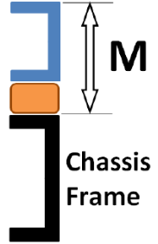
 | Roof Thickness, in | 2.5
 | Floor Thickness, in | 1.125
 | Cross Sill Height, in | 3
 | Long Sill Height, in | 4
 | Mounting Wood Thickness, in | 2.5
 | Body Mounting Height (M), in | 6.50

Calculator 1: Completed Vehicle Frontal Area From Body Inside Height (Results based on Table 3 input)

 | Body Outside Width W, in | Body Inside Height, in |  | Body Outside Height, in |  | Body Frontal Area, ft2 |  | Completed Vehicle Frontal Area, ft2 |  |  | Proposed Condition OK?
 |  |  |  |  |  |  |  |  |  |  | 2016 Without Air Deflector | 2016 With Air Deflector
 | 84 | 79 |  | 85.625 |  | 49.9 |  | 69.2 |  |  | OK | OK
 | 84 | 85 |  | 91.625 |  | 53.4 |  | 72.7 |  |  | OK | OK
 | 84 | 91 |  | 97.625 |  | 56.9 |  | 76.2 |  |  | OK | OK
 | 90 | 79 |  | 85.625 |  | 53.5 |  | 72.7 |  |  | OK | OK
 | 90 | 85 |  | 91.625 |  | 57.3 |  | 76.5 |  |  | OK | OK
 | 90 | 91 |  | 97.625 |  | 61.0 |  | 80.2 |  |  | - | OK
 | 96 | 79 |  | 85.625 |  | 57.1 |  | 76.0 |  |  | OK | OK
 | 96 | 85 |  | 91.625 |  | 61.1 |  | 80.0 |  |  | - | OK
 | 96 | 91 |  | 97.625 |  | 65.1 |  | 84.0 |  |  | - | OK

Calculator 2: Completed Vehicle Frontal Area From Body Outside Height (Results based on Table 3 input)

 | Body Outside Width W, in | Body Inside Height, in |  | Body Outside Height, in |  | Body Frontal Area, ft2 |  | Completed Vehicle Frontal Area, ft2 |  |  | Proposed Condition OK?
 |  |  |  |  |  |  |  |  |  |  | 2016 Without Air Deflector | 2016 With Air Deflector
 | 84 | 78.375 |  | 85 |  | 49.6 |  | 68.9 |  |  | OK | OK
 | 84 | 84.375 |  | 91 |  | 53.1 |  | 72.4 |  |  | OK | OK
 | 84 | 89.375 |  | 96 |  | 56.0 |  | 75.3 |  |  | OK | OK
 | 90 | 78.375 |  | 85 |  | 53.1 |  | 72.4 |  |  | OK | OK
 | 90 | 84.375 |  | 91 |  | 56.9 |  | 76.2 |  |  | OK | OK
 | 90 | 90.375 |  | 97 |  | 60.6 |  | 79.9 |  |  | OK | OK
 | 96 | 78.375 |  | 85 |  | 56.7 |  | 76.0 |  |  | OK | OK
 | 96 | 84.375 |  | 91 |  | 60.7 |  | 80.0 |  |  | - | OK
 | 96 | 90.375 |  | 97 |  | 64.7 |  | 84.0 |  |  | - | OK

 | ICTA Frontal Area Calculator
 | Filename: "NPR_Diesel_FrontalAreaCalculator 2016-04-20.xlsx"
 | Release Date: 2016-04-22

